Sheet1
Style Name | Style Image | Quantity
MT AQUARIUS | 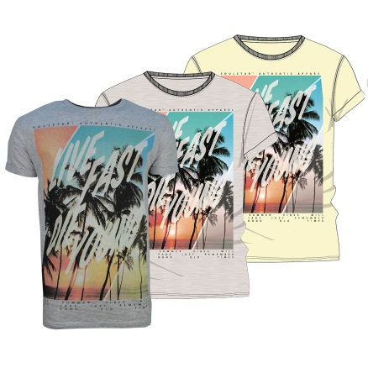 | 2656
MT BAN | 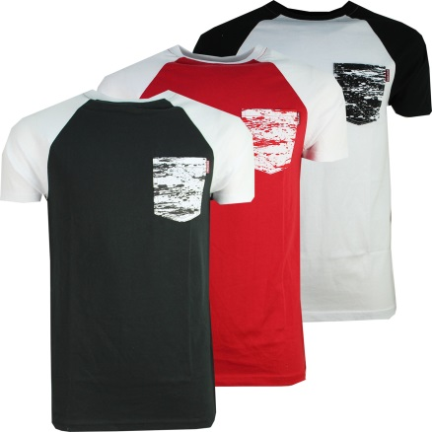 | 1569
MT MACHI | 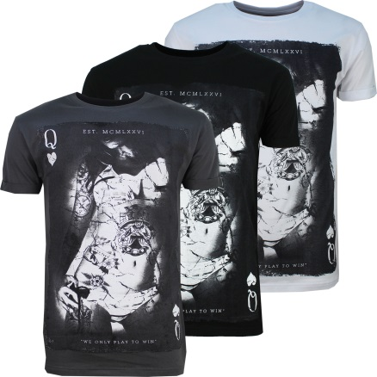 | 587
MT MAGNETIC | 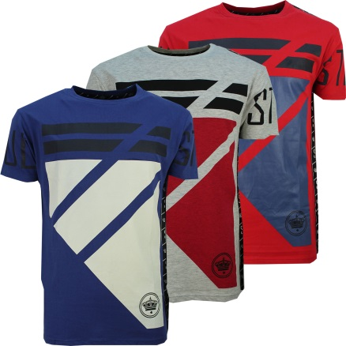 | 600
MT MEREUM | 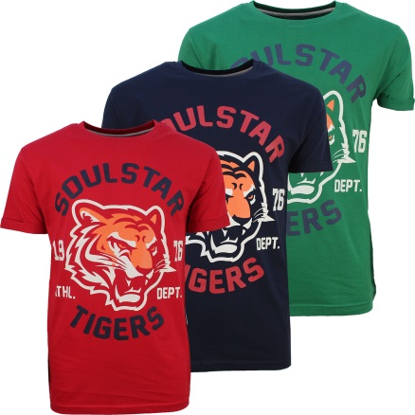 | 213
MT MESO SYNC | 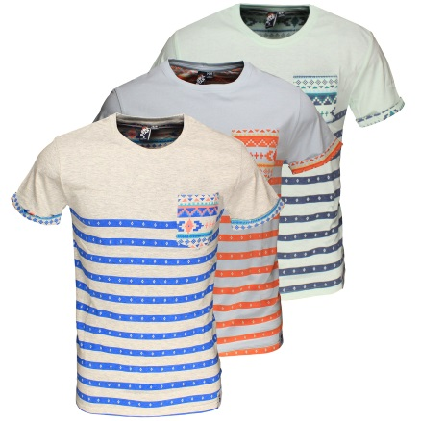 | 153
MT PORTO |   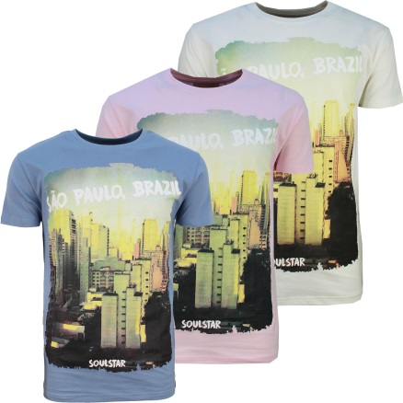 | 494
MT PRISSY | 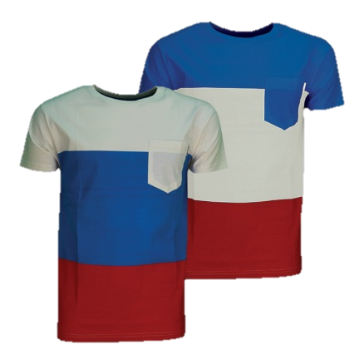 | 815
MT CHOPPER | 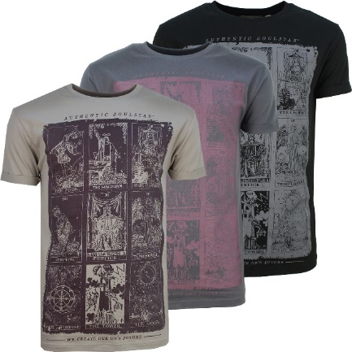 | 1066
MT MORMONT | 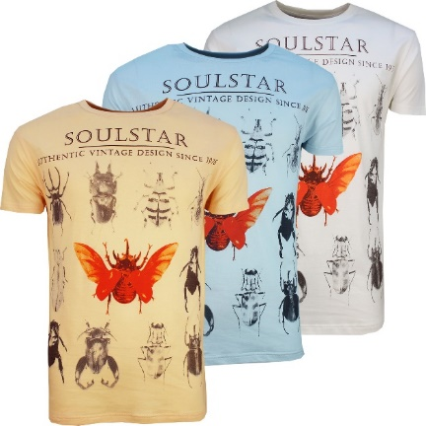 | 667
MT BLANE | 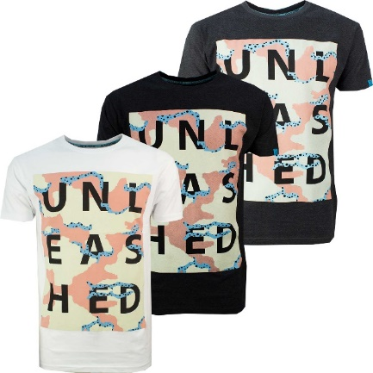 | 1502
MT RENLY | 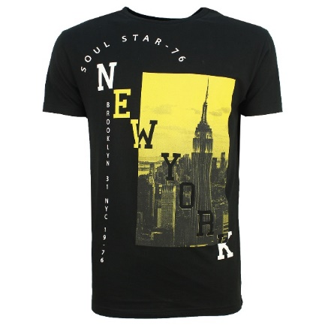 | 396
 | TOTAL: | 10,718

